Sheet1
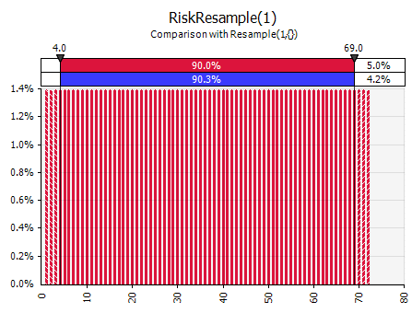
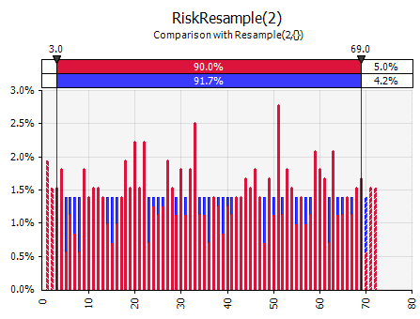
1 | 0.013888888889 | 36
2 | 0.013888888889 | 36
3 | 0.013888888889 | 36
4 | 0.013888888889 | 36
5 | 0.013888888889 | 36 | NOTE: RiskResample(1) and RiskResample(3)
6 | 0.013888888889 | 36 | graphs look OK. However, since they both
7 | 0.013888888889 |  | sample without replacement, iterations 73–720
8 | 0.013888888889 |  | are errors, and you're seeing just the first 72
9 | 0.013888888889 |  | iterations.
10 | 0.013888888889
11 | 0.013888888889 |  | For the other graphs, both discrete and
12 | 0.013888888889 |  | continuous, even with 720 iterations you can
13 | 0.013888888889 |  | see the variation between Monte Carlo
14 | 0.013888888889 |  | simulated samples and the theoretical
15 | 0.013888888889 |  | distribution. Latin Hypercube (in the
16 | 0.013888888889 |  | other workbook) comes much closer.
17 | 0.013888888889
18 | 0.013888888889
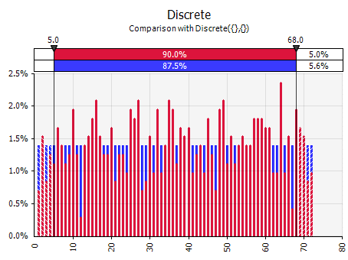
19 | 0.013888888889
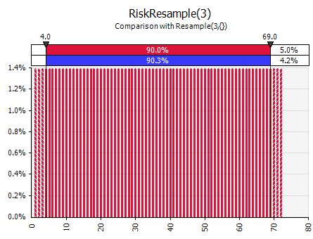
20 | 0.013888888889
21 | 0.013888888889
22 | 0.013888888889
23 | 0.013888888889
24 | 0.013888888889
25 | 0.013888888889
26 | 0.013888888889
27 | 0.013888888889
28 | 0.013888888889
29 | 0.013888888889
30 | 0.013888888889
31 | 0.013888888889
32 | 0.013888888889
33 | 0.013888888889
34 | 0.013888888889
35 | 0.013888888889
36 | 0.013888888889
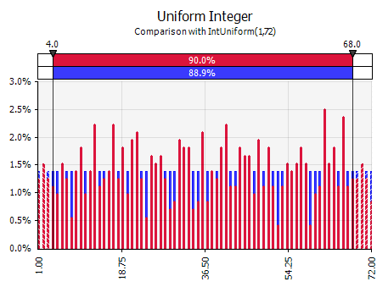
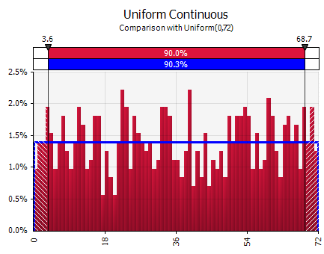
37 | 0.013888888889
38 | 0.013888888889
39 | 0.013888888889
40 | 0.013888888889
41 | 0.013888888889
42 | 0.013888888889
43 | 0.013888888889
44 | 0.013888888889
45 | 0.013888888889
46 | 0.013888888889
47 | 0.013888888889
48 | 0.013888888889
49 | 0.013888888889
50 | 0.013888888889
51 | 0.013888888889
52 | 0.013888888889
53 | 0.013888888889
54 | 0.013888888889
55 | 0.013888888889
56 | 0.013888888889
57 | 0.013888888889
58 | 0.013888888889
59 | 0.013888888889
60 | 0.013888888889
61 | 0.013888888889
62 | 0.013888888889
63 | 0.013888888889
64 | 0.013888888889
65 | 0.013888888889
66 | 0.013888888889
67 | 0.013888888889
68 | 0.013888888889
69 | 0.013888888889
70 | 0.013888888889
71 | 0.013888888889
72 | 0.013888888889

